Forms
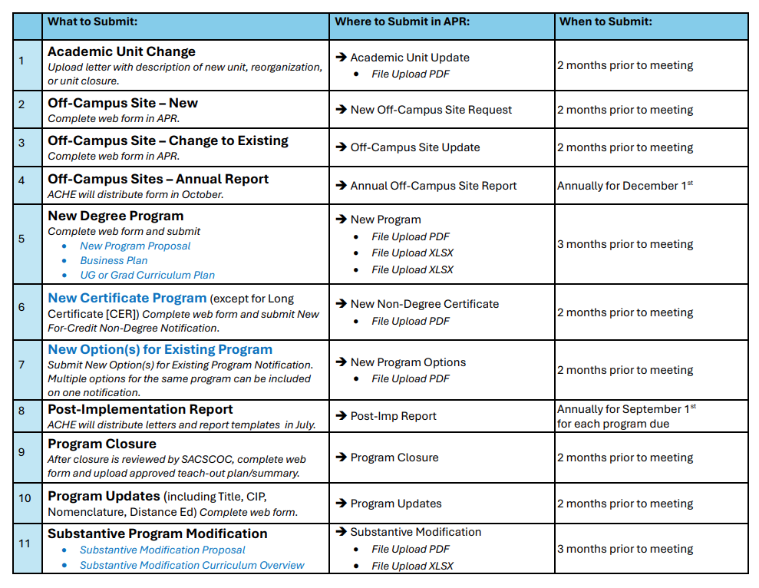
All forms are linked on ACHE's website:
https://www.ache.edu/index.php/forms/

